Sheet1
Test case | Objective | Preconditions | Test date | Expected result | Test completion date | Status | Tester | Defect ID | Comments | Result | Result evidence
TC001 | Test "Add Artifact" feature | Museum initialized; no artifacts added | 06/12/2024 | Artifact is successfully added | 01/12/2024 | Complete [OK] | VB | N/A |  | 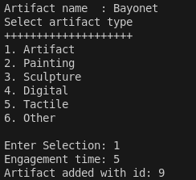
TC002 | Test "Add Artifact" with invalid data | Museum initialized; invalid input provided | 06/12/2024 | Error message displayed; no artifact added | 01/12/2024 | Complete [ERROR] | VB | 1 |  | 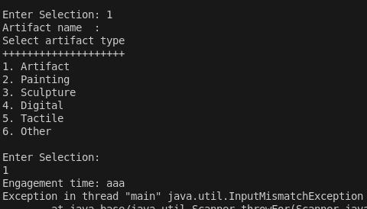 Accepts blank artifact name, crashes if the input for engagement time is a string |  | Fixed by cancelling when the input is empty
TC003 | Test "View Artifacts" when none exist | Museum initialized; no artifacts added | 06/12/2024 | Message indicating no artifacts exist | 01/12/2024 | Complete [OK] | VB | N/A
TC004 | Test "View Artifacts" with data | At least one artifact added | 06/12/2024 | List of artifacts displayed | 01/12/2024 | Complete [OK] | VB | N/A | Test to view artifacts sorted by ID | 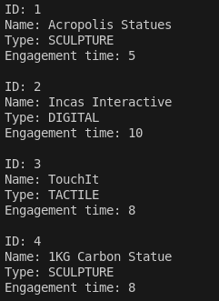
TC005 | Test "View Artifacts Sorted Alphabetically" | Multiple artifacts with different names added | 06/12/2024 | Artifacts displayed in alphabetical order | 01/12/2024 | Complete [OK] | VB | N/A | Test to view artifacts sorted alphabetically | 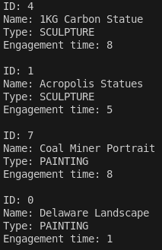
TC006 | Test "Delete Artifact" | At least one artifact added | 06/12/2024 | Selected artifact successfully deleted | 01/12/2024 | Complete [OK] | VB | N/A |  | 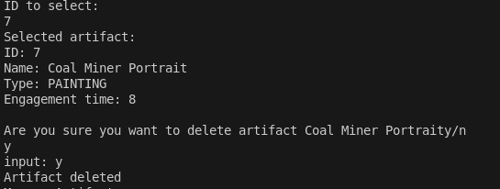 Works but the text formatting is slightly off
TC007 | Test "Delete Artifact" with invalid ID | Artifact list initialized; invalid ID provided | 06/12/2024 | Error message displayed; no deletion occurred | 01/12/2024 | Complete [OK] | VB | N/A
TC008 | Test "Manage Exhibits" menu | Museum initialized | 06/12/2024 | Exhibit management menu displayed | 01/12/2024 | Complete [OK] | VB | N/A |  | 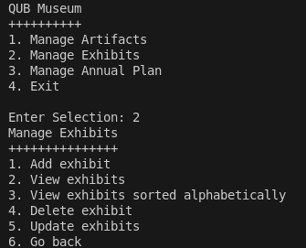
TC009 | Test "Add Exhibit" feature | Museum initialized; no exhibits added | 06/12/2024 | Exhibit is successfully added | 01/12/2024 | Complete [OK] | VB | N/A
TC010 | Test "View Exhibits" when none exist | Museum initialized; no exhibits added | 06/12/2024 | Message indicating no exhibits exist | 01/12/2024 | Complete [OK] | VB | N/A
TC011 | Test "View Exhibits" with data | At least one exhibit added | 06/12/2024 | List of exhibits displayed | 01/12/2024 | Complete [OK] | VB | N/A |  | 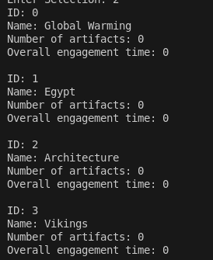
TC012 | Test "View Exhibits Sorted Alphabetically" | Multiple exhibits with different names added | 06/12/2024 | Exhibits displayed in alphabetical order | 01/12/2024 | Complete [OK] | VB | N/A |  |  | 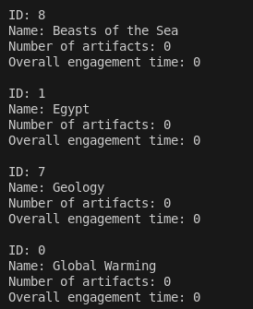
TC013 | Test "Delete Exhibit" | At least one exhibit added | 06/12/2024 | Selected exhibit successfully deleted | 01/12/2024 | Complete [OK] | VB | N/A |  | 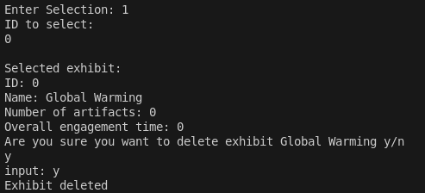
TC014 | Test "Delete Exhibit" with invalid ID | Exhibit list initialized; invalid ID provided | 06/12/2024 | Error message displayed; no deletion occurred | 01/12/2024 | Complete [OK] | VB | N/A
TC015 | Test "Update Exhibit - Add Artifact" | Exhibit and artifact exist | 06/12/2024 | Artifact successfully added to exhibit | 01/12/2024 | Complete [OK] | VB | N/A |  | 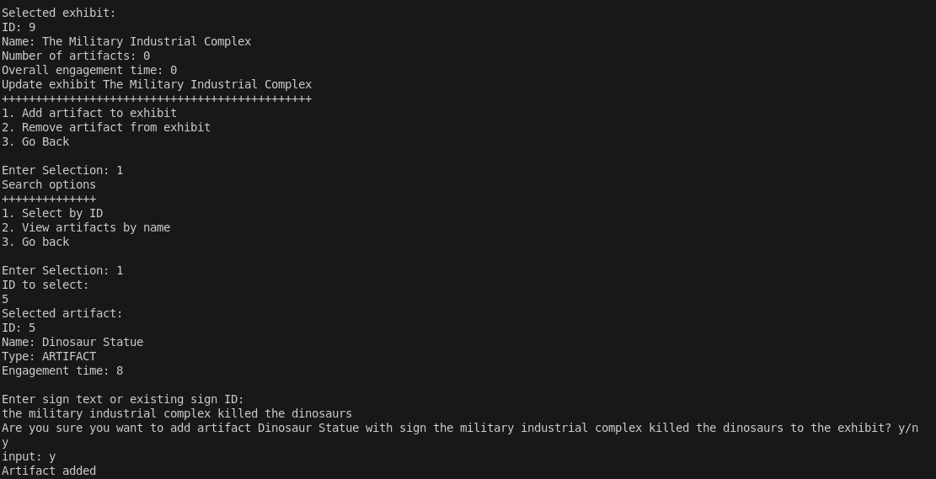
TC016 | Test "Update Exhibit - Remove Artifact" | Exhibit and artifact linked exist | 06/12/2024 | Artifact successfully removed from exhibit | 01/12/2024 | Complete [OK] | VB | N/A
TC017 | Test "Create Annual Plan" | Museum initialized; no annual plans added | 06/12/2024 | Annual plan is successfully created | 01/12/2024 | Complete [OK] | VB | N/A
TC018 | Test "View Annual Plans" when none exist | Museum initialized; no annual plans added | 06/12/2024 | Message indicating no annual plans exist | 01/12/2024 | Complete [ERROR] | VB | 2 |  | 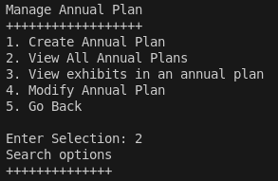 No error message displayed |  | Fixed
TC019 | Test "View Annual Plans" with data | At least one annual plan exists | 06/12/2024 | List of annual plans displayed | 01/12/2024 | Complete [OK] | VB | N/A
TC020 | Test "Add Exhibit to Annual Plan" | Exhibit and annual plan exist | 06/12/2024 | Exhibit successfully added to annual plan | 01/12/2024 | Complete [OK] | VB | N/A
TC021 | Test "Remove Exhibit from Annual Plan" | Exhibit linked to annual plan exists | 06/12/2024 | Exhibit successfully removed from annual plan | 01/12/2024 | Complete [ERROR] | VB | N/A |  | 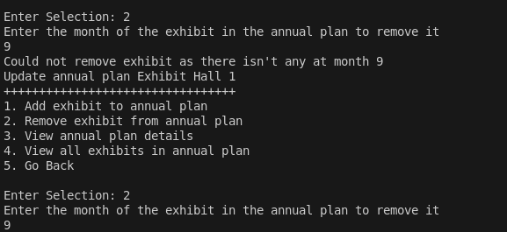 When you select a month at which to remove the exhibit, it removes the one in front of it
TC022 | Test "View Details of Annual Plan" | Annual plan exists | 06/12/2024 | Details of annual plan displayed | 01/12/2024 | Complete [OK] | VB | N/A |  | 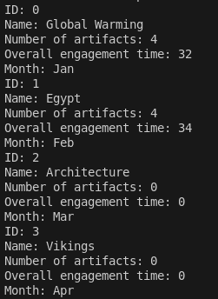
TC023 | Test "Manage Artifacts" menu navigation | Museum initialized | 06/12/2024 | Artifacts management menu displayed | 01/12/2024 | Complete [OK] | VB | N/A |  | 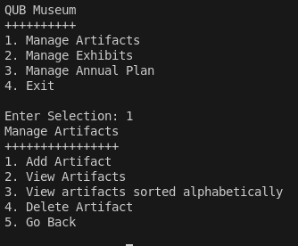
TC024 | Test "Exit Program" | Any state | 06/12/2024 | Program exits successfully | 02/12/2024 | Complete [OK] | VB | N/A |  |  | 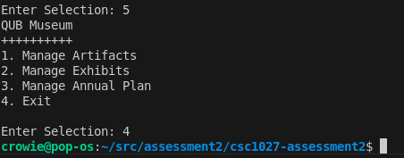
TC025 | Test "Add Artifact" with maximum character length | Museum initialized; artifact name with max length added | 06/12/2024 | Artifact successfully added | 02/12/2024 | Complete [ERROR] | VB | 3 | Ensure system handles long names | Doesn't crash but there is no check for maximum character length so you can just enter a really long name |  | Fixed by creating an input method that makes sure the amount of characters input does not go above the limit
TC026 | Test "Add Artifact" with special characters | Museum initialized; artifact name includes special chars | 06/12/2024 | Artifact successfully added | 02/12/2024 | Complete [OK] | VB | N/A | Validate special character input
TC027 | Test "Add Artifact" with empty fields | Museum initialized; no input for artifact fields | 06/12/2024 | Error message displayed; no artifact added | 02/12/2024 | Complete [ERROR] | VB | 4 |  | Can add an artifact with an empty name |  | Fixed by cancelling when the input is empty
TC028 | Test "Update Artifact" to change its type | Artifact exists; user edits artifact type | 06/12/2024 | Artifact type updated successfully | 02/12/2024 | Complete [ERROR] | VB | 5 | Ensure previous data remains intact | No option to update artifacts | 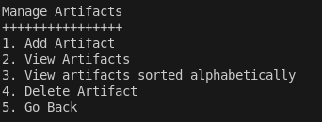 | Fixed, can now modify artifacts
TC029 | Test "Delete Artifact" when no artifacts exist | Museum initialized; no artifacts added | 06/12/2024 | Error message displayed; no deletion attempted | 02/12/2024 | Complete [OK] | VB | N/A
TC030 | Test "Delete Exhibit" when exhibits contain artifacts | Exhibit exists; linked artifacts in exhibit | 06/12/2024 | Exhibit and associated artifacts handled correctly | 02/12/2024 | Complete [OK] | VB | N/A | Ensure artifacts are managed correctly | Works, however there is no option to view artifacts in an exhibit | 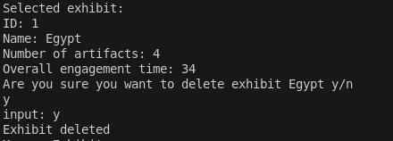 | Can now view artifacts in an exhibit
TC031 | Test "Update Exhibit" with invalid artifact ID | Exhibit exists; invalid artifact ID entered | 06/12/2024 | Error message displayed; no updates made | 02/12/2024 | Complete [OK] | VB | N/A
TC032 | Test "View Artifacts" with search by name | Artifacts exist; search keyword provided | 06/12/2024 | Matching artifacts displayed | 02/12/2024 | Complete [ERROR] | VB | 6 | Validate partial and case-insensitive matches | The search is case sensitive | 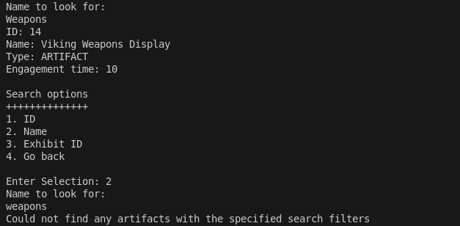 | Fixed
TC033 | Test "View Artifacts" with search by ID | Artifacts exist; valid ID provided | 06/12/2024 | Artifact details displayed | 02/12/2024 | Complete [OK] | VB | N/A |  | 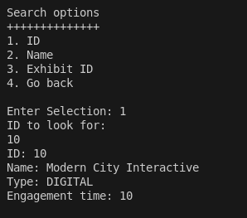
TC034 | Test "Add Exhibit" with duplicate name | Exhibit list initialized; duplicate name provided | 06/12/2024 | Exhibit added successfully (duplicate names allowed) | 02/12/2024 | Complete [OK] | VB | N/A |  | 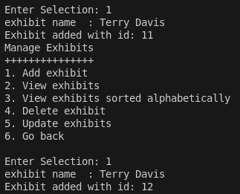
TC035 | Test "Create Annual Plan" with existing name | Annual plan list initialized; duplicate name provided | 06/12/2024 | Annual plan created successfully | 02/12/2024 | Complete [OK] | VB | N/A | Ensure no restriction on duplicate names | 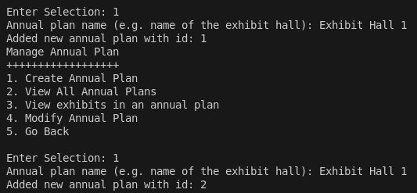
TC036 | Test "Add Exhibit to Annual Plan" with overlapping months | Annual plan and exhibits exist; overlapping dates added | 06/12/2024 | Error message displayed; no duplication allowed | 02/12/2024 | Complete [OK] | VB | N/A | Validate month availability logic | Works, output formatting error |  | Fixed
TC037 | Test "Remove Exhibit from Annual Plan" with invalid month | Annual plan exists; invalid month provided | 06/12/2024 | Error message displayed; no removal attempted | 02/12/2024 | Complete [ERROR] | VB | 7 |  | Crashes |  | Fixed by adding checks to make sure the month entered is within the valid range
TC038 | Test "Update Exhibit" to add invalid artifact | Exhibit exists; invalid artifact provided | 06/12/2024 | Error message displayed; no updates made | 02/12/2024 | Complete [OK] | VB | N/A |  | 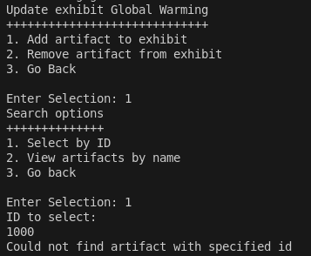
TC039 | Test navigation between menus | Museum initialized; user navigates through menus | 06/12/2024 | Navigation works as expected | 02/12/2024 | Complete [OK] | VB | N/A | Test all navigation options
TC040 | Test "Update Exhibit" by replacing an artifact | Exhibit with artifacts exists | 06/12/2024 | Artifact replaced successfully | 02/12/2024 | Complete [OK] | VB | N/A | Validate linkage updates
TC041 | Test "Delete Annual Plan" | Annual plan exists; valid ID provided | 06/12/2024 | Annual plan successfully deleted | 02/12/2024 | Complete [OK] | VB | N/A | Verify cascading deletions | 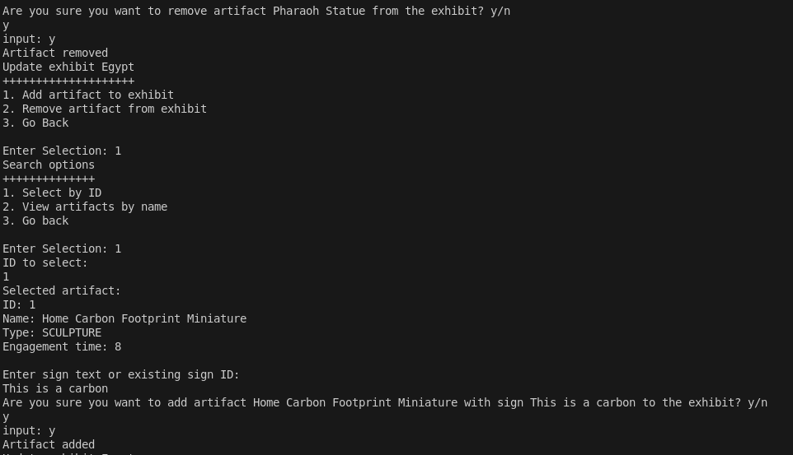
TC042 | Test "Delete Annual Plan" with invalid ID | Annual plan list initialized; invalid ID provided | 06/12/2024 | Error message displayed | 02/12/2024 | Complete [OK] | VB | N/A
TC043 | Test "Add Exhibit to Annual Plan" with unavailable exhibit | Exhibit exists; already added to another annual plan at the same month | 06/12/2024 | Error message displayed; no conflicting dates allowed | 02/12/2024 | Complete [ERROR] | VB | 8 |  | No checks in place to check for conflicting dates |  | Fixed, added checks for conflicting dates
TC044 | Test "Modify Annual Plan" to update exhibit's month | Annual plan and exhibit exist | 06/12/2024 | Exhibit's schedule successfully updated | 02/12/2024 | Complete [OK] | VB | N/A | Validate date conflict handling
TC045 | Test "Manage Annual Plans" with empty list | No annual plans exist | 06/12/2024 | Appropriate empty state message displayed | 02/12/2024 | Complete [OK] | VB | N/A |  |  | 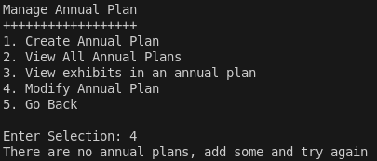
TC046 | Test "Confirm Action" prompt with invalid input | Action confirmation requested; invalid input provided | 06/12/2024 | Error prompt until valid input received | 02/12/2024 | Complete [OK] | VB | N/A | Test input validation
TC047 | Test "Manage Artifacts" navigation back to main menu | Museum initialized | 06/12/2024 | User successfully returns to main menu | 02/12/2024 | Complete [OK] | VB | N/A | Validate seamless navigation |  | 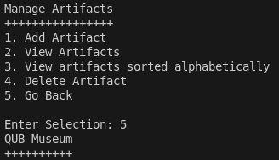
TC048 | Test "Add Artifact" with numeric name | Museum initialized; numeric name provided | 06/12/2024 | Artifact successfully added | 02/12/2024 | Complete [OK] | VB | N/A | Validate support for numeric names | 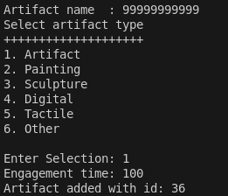
TC049 | Test "View Artifacts" with large dataset | Museum initialized; 100+ artifacts added | 06/12/2024 | All artifacts displayed correctly | 02/12/2024 | Complete [OK] | VB | N/A | Test performance with large data | 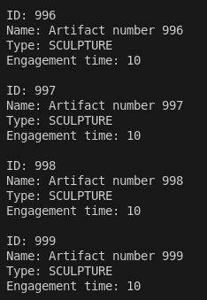
TC050 | Test "Sort Artifacts" with special characters | Museum initialized; artifacts with special chars added | 06/12/2024 | Artifacts sorted correctly | 02/12/2024 | Complete [OK] | VB | N/A | Ensure special chars don't break sort
TC051 | Test "Delete Exhibit" with artifacts linked | Exhibit exists; contains artifacts | 06/12/2024 | Exhibit deleted; artifacts unaffected or deleted | 02/12/2024 | Complete [OK] | VB | N/A | Validate exhibit-artifact relationships
TC052 | Test "Update Annual Plan" by removing all exhibits | Annual plan exists; exhibits linked | 06/12/2024 | All exhibits removed successfully | 02/12/2024 | Complete [ERROR] | VB | 9 | Test edge case of empty annual plans | 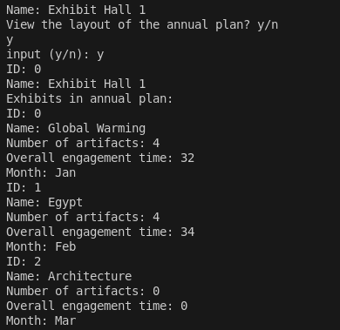 Removed exhibits remain in annual plan |  | Fixed by removing the exhibit in all associated annual plans
TC053 | Test "View Details of Annual Plan" with invalid ID | Annual plan list initialized; invalid ID provided | 06/12/2024 | Error message displayed | 02/12/2024 | Complete [OK] | VB | N/A |  | 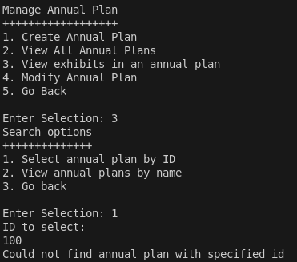
TC054 | Test "Search Artifacts" with non-matching criteria | Artifacts added; search term has no matches | 06/12/2024 | Message displayed: "No artifacts found" | 02/12/2024 | Complete [OK] | VB | N/A | Validate empty search result handling | 